Module 12
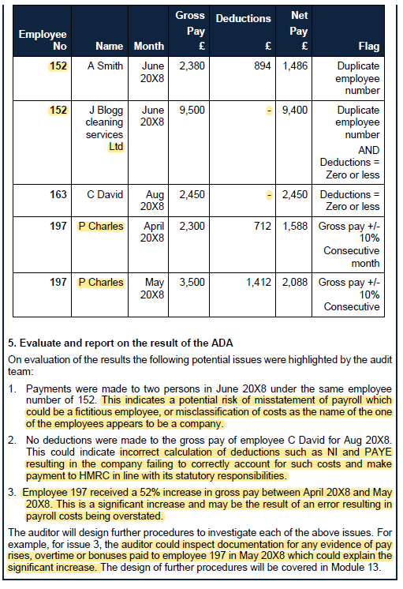
Main
 | Module 12 - Substantive testing 1: Substantive analytical procedures

 | ICARE

 | Inespection
 | Confirmations
 | Analytical procedures
 | Recalculation
 | Enquiry

 | Notes from revision day
 | 1: Form an expectation
 | 2: compare the expectation to the actual result - like for like
 | 3: Investigate and corroborate
 | 4: Conclude whether sufficient, appropriate evidence has been obtained

 | AR varies with effectiveness of controls.
 | if control risk is low, can do more analytical review

 | Enquiry - don’t lean on this too much in an exam. Enquiry is a very weak test. Only get a half mark
 | need to have a good coverage of all of these testing methods
 | Recalc is good because fully under our control
 | Confirmation - usually getting information from an independent 3rd party knowledgable source

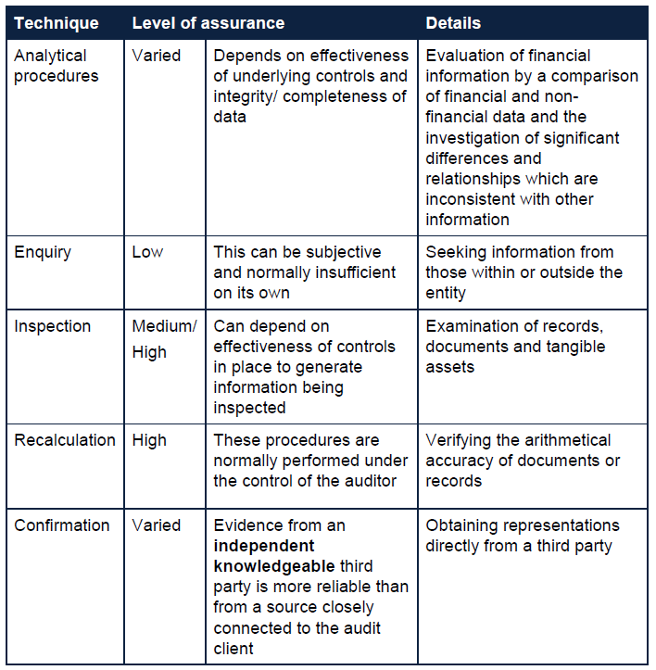

 | Ar all tests, reliable and relevant. Do all the tests in combination provide sufficient assurance over the balance

 | Confirmations
 | bank congirmation for cash balance
 | 3rd party receivables/payables confirmatoin
 | ivnentory held at third party
 | property title deeds held by lawyers

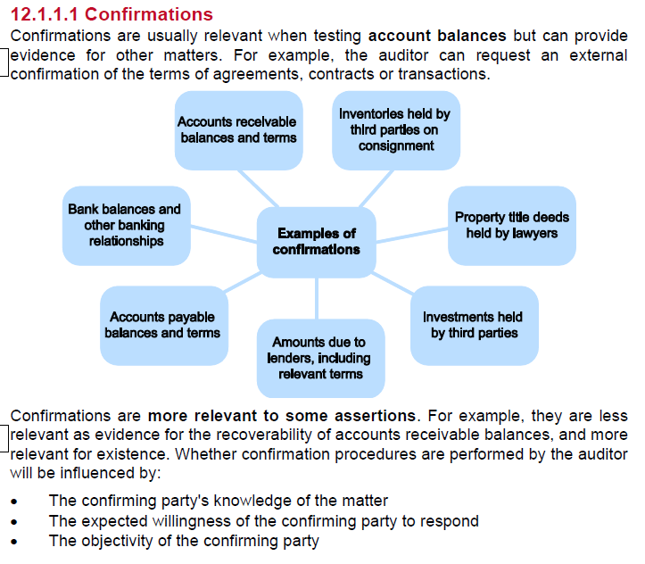

 | In the exam - always consider mentioning an anylyitical review
 | if asked to do substantive testing - stick in an anayltical reivew at the start for good meassure

 | Significant class of transacations
 | SCOT

 | if taking controls reliance. Can rely more on analytical procedures

 | big three procedures
 | Reasonableness test
 | Trend analysis
 | large and unusual items

 | extras
 | Comparison
 | ratio analysis

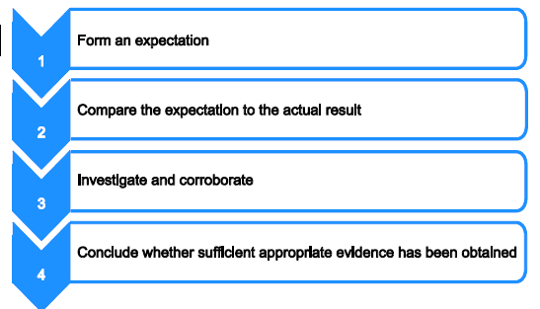

 | IPE
 | Consdier the source
 | and the comparability of the information used
 | the nature and relevance of the information
 | PY knowledge and understanding
 | operating effectiveness of the controls over the preparation of internnally produced information

 | Board minutes - major FA purchases, new contracts, other info to build expectations

 | Following sources to build an expectation
 | mgmt accounts
 | PY info adjusted for CY events
 | known interaction between financial data - e.g. interest expense and loan balance
 | known interaction between financial and non-financial data - e.g. payroll and headcount
 | discussion w/ mgmt

 | Comparison and ratio analysis is often not detailed enouhg to provide sufficient and appropriate substantive evidence.

 | create the expectation then follow up any significant difference between the expectation and actualbalance

 |  | PPE | IT
 | Cost | 15,800 | 800
 | AD | 10,700 | 450
 | annual depr charge | 3,400 | 100
 | Depreciation rate (SL and RB respectively) | 25% | 33%
 | Fully depreciated assets at 31/05/2023 (cost) | 1,200 | 150

 | PPE

 | Cost | 15,800
 | AD | 10,700
 | annual depr charge | 3,400
 | Depreciation rate (SL and RB respectively) | 25% | SL
 | Fully depreciated assets at 31/05/2023 (cost) | 1,200

 | cost | 14,600
 | charge | 3650
 | AD | 10,950
 | actual | 10,700
 | delta | -250

 | £250k > £100k | cannto conclude on this. Need to do further follow up procedures
 | higher charge - so looking for additions not previously disclosed

 | IT
 |  | IT
 | Cost | 800
 | AD | 450
 | NBV | 350
 | Depreciation rate (SL and RB respectively) | 33%
 |  | 116
 | actual annual depr charge | 100
 |  | -16

 | £16k < £100k | Within tolerance. No requirement to follow up

 | Step 1: Form an expectation
 | Step 2: Compare expectation to actual
 | Step 3: Investigatoin required Y/N
 | Step 4: Conclusion

 | Steps to take after
 | consider factors not in expectation
 | ask the client
 | if still wrong. Then recorda a mistatement to schedule of mistatements

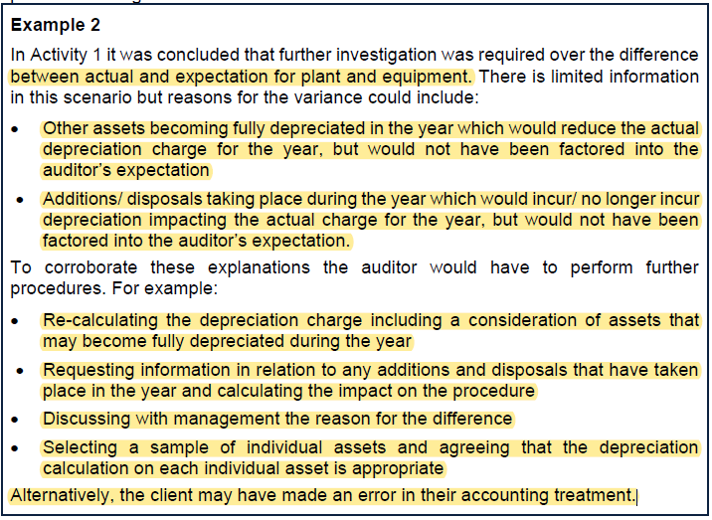

 | Activity 2

 | PM | 250
 | CT | 15
 | YE | 2019-06-30
 |  |  |  | Expectation | Actual
 | Income |  |  | £'000 | £'000
 | Big financial limited | corporate bond interest | 1 | 150 | 129 | -21
 | Sauga bank | deposit account interest | 2 | 354 | 376 | 21

 | expense
 | Bank of Leeds plc | Bank loan interest | 3 | 485 | 582 | 1,067

 | CTT is 15k. All are outside of threshold. Further procedures required

 | Corporate bonds interest
 | actual income is less than expected.
 | we know 500 bonds were sold at YE for a loss.
 | there is a risk the investment income is understated on the FS
 | could be the case that costs of disposal have been netted off against finance income

 | Deposit account interest
 | income is higher than expected. This could be related to FX difference as we have used the half year average

 | Bank loan interest
 | expense is above estime. There is a risk expense is overstated in the FS
 | It is likley the 2 months deferral has not been adjsuted for in the accounts

 | Workings
 | 2017-01-01
 | purchased | 3 | k bonds
 | par | 1000
 | redemption period | 5 | years
 | coupon | 5.00%

 | Note 1 - bond income
 | 2 payments pre year end |  | 150 | =+C241*C242*C244
 | actual |  | 129
 | difference |  | -21

 | Note 2 - deposit interest |  | CAD
 | Proceeds | 2018-11-01 | 24,800
 | annual interest | 8 | 3.75%
 |  |  | 620 | =+(C254/12)*D254*D253
 | convert into GBP |  | 1.75 | use average rate as income earned throughout the year
 |  |  | 354

 | actual |  | 376
 | difference |  | -244

 | Note 3 -
 | Loan | 2018-09-01 | 12250
 | term |  | 48 | months
 | interest rate | 4.75%
 |  |  | 485
 | actual |  | -582
 | difference |  | -1,067

 | All about providing a plausible reason for why the calculation does not rec

 | When doing SAR - will be performed as part of final audit visit - so do not go on about planning
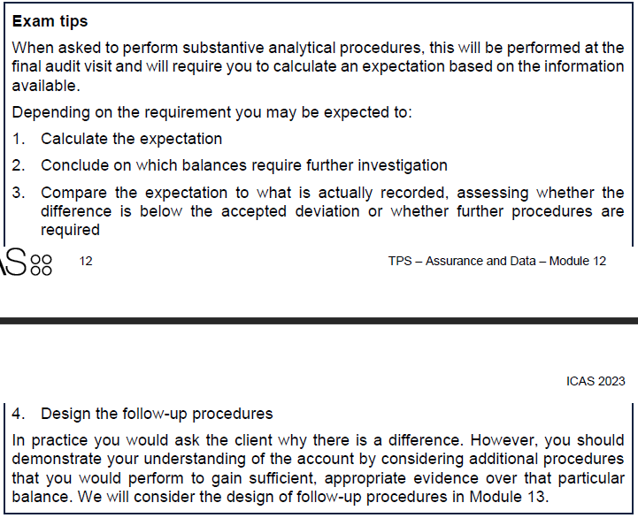

 | Incorporate ADAs and CAATs into substantive testing

 | Common tests
 | Sample selection
 | Summaristation
 | Computations/recalculation
 | Re-performance

 | Substantive procedures performed using CAATs and ADAs include
 | this is a good promppt/template to have open for the exam.

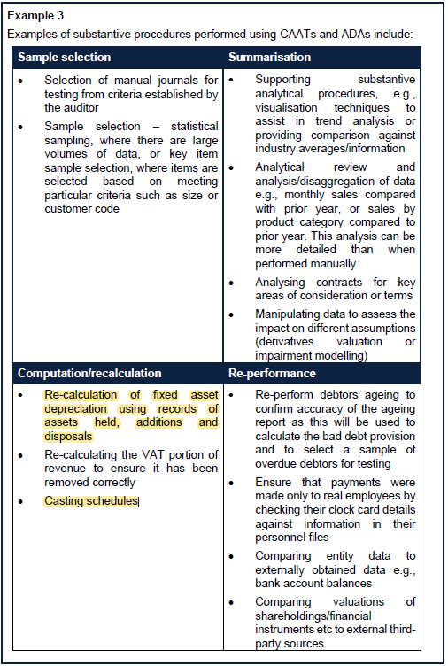

 | Always try and use specific analytical procedures as well as other tests

